Test Evidence
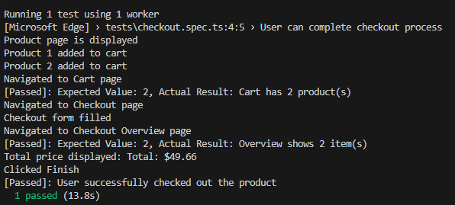
Browser: Google Chrome
TC01 Result

TC02 Result
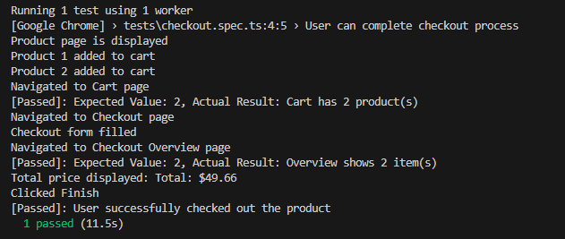

Browser: Edge
TC01 Result

TC02 Result

